Descriptors
BCLC Stage Descriptor:

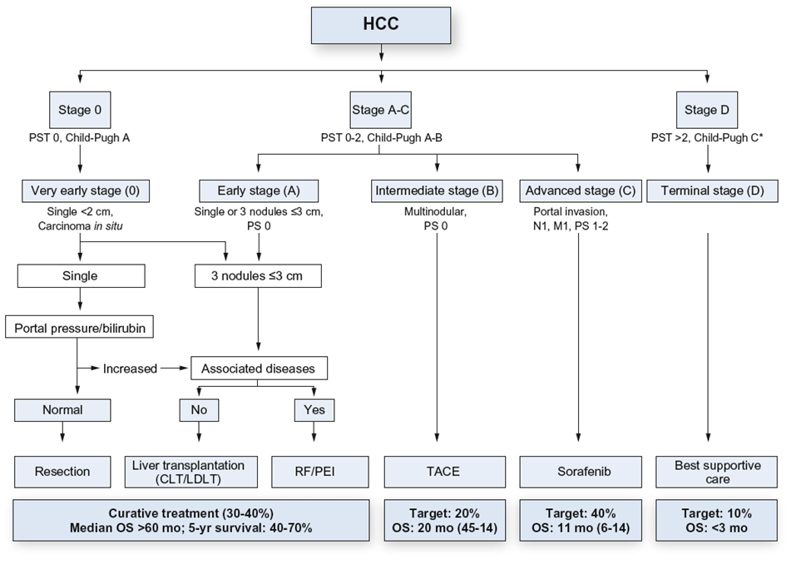

UKELD Score Formula:

[(5.395 × ln(INR)) + (1.485 × ln(creatinine)) + (3.13 × ln(bilirubin)) − (81.565 × ln(Na))] + 435

Child Pugh Score:

Measure | 1 Point | 2 Points | 3 Points
Total bilirubin, μmol/L | <34 | 34–50 | >50
Serum albumin, g/L | >35 | 28–35 | <28
INR | <1.7 | 1.7-2.3 | >2.3
Ascites | None | Mild to Moderate | Severe or Refractory
Hepatic encephalopathy | None | Grade I–II | Grade III–IV

Points | Class
5-6 | A
7-9 | B
10-15 | C

Ascites Grade:
Grade 1: | mild ascites only detectable by ultrasound examination
Grade 2 | moderate symmetrical distension of abdomen
Grade 3: | large or gross ascites with marked abdominal distension
Refractory: | recurrence cannot be satisfactorily prevented by medical therapy

Encephalopathy Grade:

Grade 1 - Trivial lack of awareness; euphoria or anxiety; shortened attention span; impaired mentation
Grade 2 - Lethargy or apathy; minimal disorientation for time or place; subtle personality change; inappropriate behaviour
Grade 3 - Somnolence to semistupor, but responsive to verbal stimuli; confusion; gross disorientation
Grade 4 - Coma

ECOG Performance Status:

0 | Fully active, able to carry on all pre-disease performance without restriction
1 | Restricted in physically strenuous activity but ambulatory and able to carry out work of a light or sedentary nature, e.g., light house work, office work
2 | Ambulatory and capable of all selfcare but unable to carry out any work activities; up and about more than 50% of waking hours
3 | Capable of only limited selfcare; confined to bed or chair more than 50% of waking hours
4 | Completely disabled; cannot carry on any selfcare; totally confined to bed or chair

TNM Classification:

Stage Group | T stage | N stage | M stage
Stage IA | T1a | N0 | M0
Stage IB | T1b | N0 | M0
Stage II | T2 | N0 | M0
Stage IIIA | T3 | N0 | M0
Stage IIIB | T4 | N0 | M0
Stage IVA | Any T | N1 | M0
Stage IVB | Any T | Any N | M1

TNM Clinical Classification
T – Primary Tumour
TX | Primary tumour cannot be assessed
T0 | No evidence of primary tumour
T1a | Solitary tumour 2 cm or less in greatest dimension with or without vascular invasion
T1b | Solitary tumour more than 2 cm in greatest dimension without vascular invasion
T2 | Solitary tumour with vascular invasion more than 2 cm dimension or multiple tumours, none more than 5 cm in greatest dimension
T3 | Multiple tumours any more than 5 cm in greatest dimension
T4 | Tumour(s) involving a major branch of the portal or hepatic vein with direct invasion of adjacent organs (including the diaphragm), other than the gallbladder or with perforation of visceral peritoneum
N – Regional Lymph Nodes
NX | Regional lymph nodes cannot be assessed
N0 | No regional lymph node metastasis
N1 | Regional lymph node metastasis
M – Distant Metastasis
M0 | No distant metastasis
M1 | Distant metastasis - This includes metastasis to non-regional lymph nodes, including periaortic, pericaval, superior mesenteric artery and/or coeliac artery lymph nodes.

